Metrics and Plots
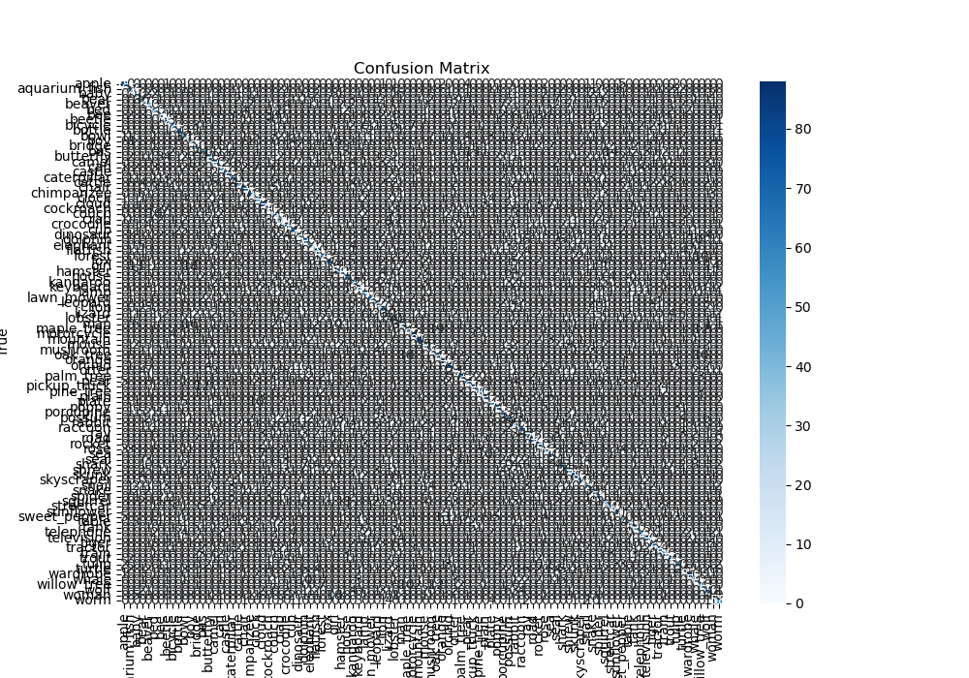
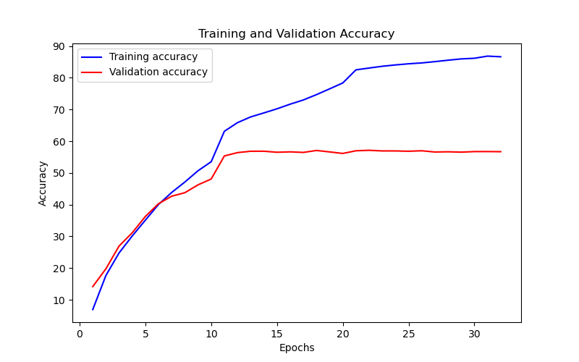
Epoch | Train Accuracy | Train Loss | Validation Accuracy | Validation Loss
1 | 6.94 | 3.729 | 14.17 | 3.648
2 | 17.68 | 3.241 | 19.79 | 3.274
3 | 24.79 | 2.944 | 26.96 | 2.94
4 | 30.12 | 2.677 | 31.13 | 2.728
5 | 35.12 | 2.439 | 36.29 | 2.489
6 | 40.07 | 2.272 | 40.3 | 2.289
7 | 43.85 | 2.072 | 42.66 | 2.198
8 | 47.13 | 1.953 | 43.77 | 2.116
9 | 50.69 | 1.799 | 46.24 | 2.023
10 | 53.52 | 1.689 | 48.08 | 1.952
11 | 63.12 | 1.283 | 55.35 | 1.671
12 | 65.85 | 1.188 | 56.4 | 1.625
13 | 67.65 | 1.155 | 56.83 | 1.622
14 | 68.91 | 1.084 | 56.84 | 1.626
15 | 70.21 | 1.04 | 56.51 | 1.637
16 | 71.67 | 0.985 | 56.64 | 1.647
17 | 72.99 | 0.938 | 56.46 | 1.668
18 | 74.68 | 0.882 | 57.07 | 1.694
19 | 76.5 | 0.819 | 56.62 | 1.718
20 | 78.36 | 0.764 | 56.14 | 1.723
21 | 82.49 | 0.617 | 56.98 | 1.712
22 | 83.06 | 0.598 | 57.13 | 1.718
23 | 83.62 | 0.605 | 56.93 | 1.716
24 | 84.04 | 0.593 | 56.93 | 1.73
25 | 84.4 | 0.573 | 56.83 | 1.736
26 | 84.67 | 0.554 | 56.98 | 1.742
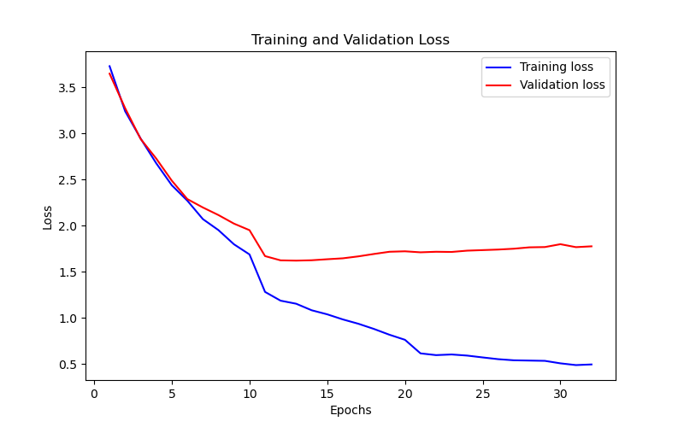
27 | 85.08 | 0.542 | 56.59 | 1.751
28 | 85.53 | 0.539 | 56.66 | 1.766
29 | 85.94 | 0.536 | 56.55 | 1.769
30 | 86.14 | 0.509 | 56.72 | 1.8
31 | 86.82 | 0.49 | 56.73 | 1.768
32 | 86.61 | 0.497 | 56.69 | 1.777

